Pivot Table
Average Income vs. Bicycle Purchase
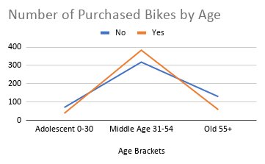

Number of Customer Commutes vs. Distance from Home

